Daily Power Station Chart_14-01
Plant_16/01/2025Chart

Plant:odco1 |  |  | Installed Capacity:111.180kWp
Today Yield(kWh):364.900kWh |  | Today Earning:145960.000TND |  | Today Full Load Hours(h):3.28h

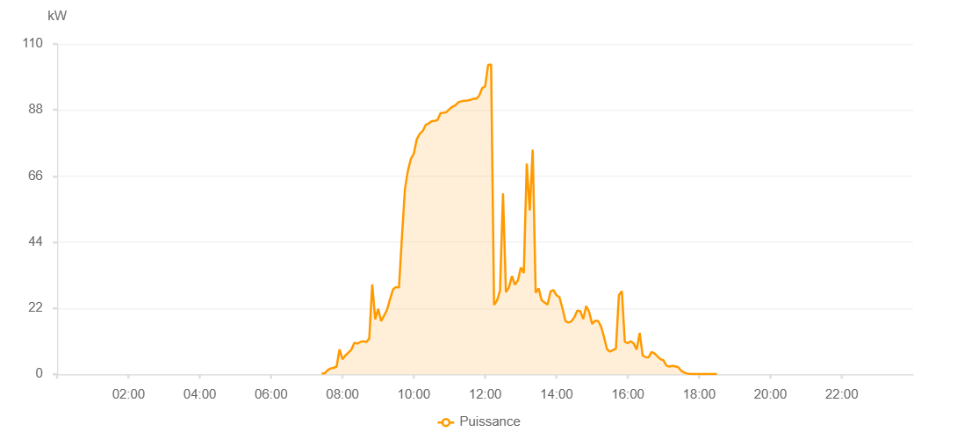

Number | Time | Working State | PV(W) | Instantaneous Radiation(W/㎡)
1 | 07:25:00 | Online | 270.00000 | 0
2 | 07:30:00 | Online | 280.00000 | 1.00000
3 | 07:35:00 | Online | 1340.00000 | 5.00000
4 | 07:40:00 | Online | 1940.00000 | 15.00000
5 | 07:45:00 | Online | 2120.00000 | 14.00000
6 | 07:50:00 | Online | 2560.00000 | 18.00000
7 | 07:55:00 | Online | 8270.00000 | 111.00000
8 | 08:00:00 | Online | 4980.00000 | 66.00000
9 | 08:05:00 | Online | 6280.00000 | 43.00000
10 | 08:10:00 | Online | 7190.00000 | 73.00000
11 | 08:15:00 | Online | 8250.00000 | 63.00000
12 | 08:20:00 | Online | 10490.00000 | 101.00000
13 | 08:25:00 | Online | 10210.00000 | 85.00000
14 | 08:30:00 | Online | 10740.00000 | 94.00000
15 | 08:35:00 | Online | 10990.00000 | 102.00000
16 | 08:40:00 | Online | 10700.00000 | 97.00000
17 | 08:45:00 | Online | 11870.00000 | 103.00000
18 | 08:50:00 | Online | 29910.00000 | 366.00000
19 | 08:55:00 | Online | 18320.00000 | 405.00000
20 | 09:00:00 | Online | 21780.00000 | 204.00000
21 | 09:05:00 | Online | 17700.00000 | 132.00000
22 | 09:10:00 | Online | 19570.00000 | 145.00000
23 | 09:15:00 | Online | 21480.00000 | 175.00000
24 | 09:20:00 | Online | 25040.00000 | 195.00000
25 | 09:25:00 | Online | 28280.00000 | 233.00000
26 | 09:30:00 | Online | 29050.00000 | 277.00000
27 | 09:35:00 | Online | 28880.00000 | 248.00000
28 | 09:40:00 | Online | 45670.00000 | 248.00000
29 | 09:45:00 | Online | 61640.00000 | 530.00000
30 | 09:50:00 | Online | 67710.00000 | 578.00000
31 | 09:55:00 | Online | 71700.00000 | 633.00000
32 | 10:00:00 | Online | 73480.00000 | 695.00000
33 | 10:05:00 | Online | 78250.00000 | 706.00000
34 | 10:10:00 | Online | 80080.00000 | 713.00000
35 | 10:15:00 | Online | 81010.00000 | 732.00000
36 | 10:20:00 | Online | 83050.00000 | 743.00000
37 | 10:25:00 | Online | 83540.00000 | 756.00000
38 | 10:30:00 | Online | 84250.00000 | 762.00000
39 | 10:35:00 | Online | 84330.00000 | 776.00000
40 | 10:40:00 | Online | 84700.00000 | 784.00000
41 | 10:45:00 | Online | 86950.00000 | 798.00000
42 | 10:50:00 | Online | 87060.00000 | 804.00000
43 | 10:55:00 | Online | 87310.00000 | 804.00000
44 | 11:00:00 | Online | 88320.00000 | 820.00000
45 | 11:05:00 | Online | 89100.00000 | 828.00000
46 | 11:10:00 | Online | 89550.00000 | 841.00000
47 | 11:15:00 | Online | 90590.00000 | 858.00000
48 | 11:20:00 | Online | 90880.00000 | 856.00000
49 | 11:25:00 | Online | 91090.00000 | 858.00000
50 | 11:30:00 | Online | 91170.00000 | 860.00000
51 | 11:35:00 | Online | 91350.00000 | 858.00000
52 | 11:40:00 | Online | 91700.00000 | 862.00000
53 | 11:45:00 | Online | 91700.00000 | 862.00000
54 | 11:50:00 | Online | 92750.00000 | 891.00000
55 | 11:55:00 | Online | 95310.00000 | 901.00000
56 | 12:00:00 | Online | 95860.00000 | 905.00000
57 | 12:05:00 | Online | 103010.00000 | 243.00000
58 | 12:10:00 | Online | 103130.00000 | 1012.00000
59 | 12:15:00 | Online | 23080.00000 | 953.00000
60 | 12:20:00 | Online | 24600.00000 | 229.00000
61 | 12:25:00 | Online | 27830.00000 | 240.00000
62 | 12:30:00 | Online | 60250.00000 | 606.00000
63 | 12:35:00 | Online | 27290.00000 | 275.00000
64 | 12:40:00 | Online | 28920.00000 | 275.00000
65 | 12:45:00 | Online | 32670.00000 | 877.00000
66 | 12:50:00 | Online | 29830.00000 | 292.00000
67 | 12:55:00 | Online | 31220.00000 | 259.00000
68 | 13:00:00 | Online | 35540.00000 | 1061.00000
69 | 13:05:00 | Online | 33690.00000 | 286.00000
70 | 13:10:00 | Online | 70140.00000 | 1031.00000
71 | 13:15:00 | Online | 54560.00000 | 244.00000
72 | 13:20:00 | Online | 74730.00000 | 248.00000
73 | 13:25:00 | Online | 27090.00000 | 222.00000
74 | 13:30:00 | Online | 28620.00000 | 266.00000
75 | 13:35:00 | Online | 24620.00000 | 223.00000
76 | 13:40:00 | Online | 23880.00000 | 222.00000
77 | 13:45:00 | Online | 23190.00000 | 200.00000
78 | 13:50:00 | Online | 27570.00000 | 221.00000
79 | 13:55:00 | Online | 28020.00000 | 244.00000
80 | 14:00:00 | Online | 26300.00000 | 211.00000
81 | 14:05:00 | Online | 25660.00000 | 216.00000
82 | 14:10:00 | Online | 21990.00000 | 216.00000
83 | 14:15:00 | Online | 17750.00000 | 163.00000
84 | 14:20:00 | Online | 17220.00000 | 150.00000
85 | 14:25:00 | Online | 17600.00000 | 146.00000
86 | 14:30:00 | Online | 18950.00000 | 168.00000
87 | 14:35:00 | Online | 21180.00000 | 179.00000
88 | 14:40:00 | Online | 21050.00000 | 180.00000
89 | 14:45:00 | Online | 18370.00000 | 158.00000
90 | 14:50:00 | Online | 22720.00000 | 164.00000
91 | 14:55:00 | Online | 20720.00000 | 167.00000
92 | 15:00:00 | Online | 16790.00000 | 136.00000
93 | 15:05:00 | Online | 17800.00000 | 144.00000
94 | 15:10:00 | Online | 17770.00000 | 160.00000
95 | 15:15:00 | Online | 15890.00000 | 141.00000
96 | 15:20:00 | Online | 12410.00000 | 109.00000
97 | 15:25:00 | Online | 8300.00000 | 75.00000
98 | 15:30:00 | Online | 7530.00000 | 65.00000
99 | 15:35:00 | Online | 8050.00000 | 66.00000
100 | 15:40:00 | Online | 8480.00000 | 73.00000
101 | 15:45:00 | Online | 26330.00000 | 98.00000
102 | 15:50:00 | Online | 27680.00000 | 352.00000
103 | 15:55:00 | Online | 10800.00000 | 93.00000
104 | 16:00:00 | Online | 10360.00000 | 83.00000
105 | 16:05:00 | Online | 10990.00000 | 89.00000
106 | 16:10:00 | Online | 10210.00000 | 79.00000
107 | 16:15:00 | Online | 8230.00000 | 74.00000
108 | 16:20:00 | Online | 13770.00000 | 56.00000
109 | 16:25:00 | Online | 6270.00000 | 50.00000
110 | 16:30:00 | Online | 5700.00000 | 49.00000
111 | 16:35:00 | Online | 5660.00000 | 47.00000
112 | 16:40:00 | Online | 7420.00000 | 49.00000
113 | 16:45:00 | Online | 6890.00000 | 44.00000
114 | 16:50:00 | Online | 5930.00000 | 38.00000
115 | 16:55:00 | Online | 5000.00000 | 36.00000
116 | 17:00:00 | Online | 4670.00000 | 29.00000
117 | 17:05:00 | Online | 2900.00000 | 24.00000
118 | 17:10:00 | Online | 2540.00000 | 20.00000
119 | 17:15:00 | Online | 2770.00000 | 18.00000
120 | 17:20:00 | Online | 2610.00000 | 17.00000
121 | 17:25:00 | Online | 2340.00000 | 13.00000
122 | 17:30:00 | Online | 1110.00000 | 11.00000
123 | 17:35:00 | Online | 540.00000 | 7.00000
124 | 17:40:00 | Online | 250.00000 | 4.00000
125 | 17:45:00 | Online | 120.00000 | 0
126 | 17:50:00 | Online | 40.00000 | 0
127 | 17:55:00 | Online | 40.00000 | 0
128 | 18:00:00 | Online | 40.00000 | 0
129 | 18:05:00 | Online | 40.00000 | 0
130 | 18:10:00 | Online | 40.00000 | 0
131 | 18:15:00 | Online | 40.00000 | 0
132 | 18:20:00 | Online | 40.00000 | 0
133 | 18:25:00 | Online | 40.00000 | 0
134 | 18:30:00 | Online | 40.00000 | 0
135 | 18:50:00 | Online | 0.00001 | 0.00001

